9-13.Quality Attributes
9.Chemical Standard & Harmful Contamination
Test Item Depends on the products, different pesticides, heavy metals, chemicals should be monitord. Fill in the items to be monitored according to the likely risk of contamination ; Example : Cadmium in seaweed, Acidity in sushi ginger |  | EU MRL standard/Recommendation | Country of Origin MRL Standard | Test Frequency
Pesticides |  |  | MCL-3-SOP-067 | Once a year
10.Acrylamide
Are Products at risk of acrylamide? |  |  |  |  | No
If Yes. What mitigation measures are in place to manage acrylamide levels with the food? |  |  |  |  | N/A
11.Radioactivity | *occurs naturally in all food and can be transferred into food in different ways eg crops from soil, drinking water from the earth, Fish and Shellfish from the water or Sea floor.
Has the product/ ingredient been irradiated? |  |  |  |  | No
Is the product/ ingredient subject to potential radioactive cross contamination? |  |  |  |  | No
If yes, what controls in place |  |  |  |  | N/A
Has the product/ ingredient been imported into the UK from a country that has high levels of radioactivity? |  |  |  |  | No
If Yes, how is this controlled and what checks are carried out? |  |  |  |  | N/A
12.Microbiology Standards | *Please insert GB standard
Micro-organisms | Type | EU Standard | Country of Origin Government Standard | Manufacturer Own Standard | Test Frequency
TVC | Quality Indicator | <104 | <104 | <104 | Every batch | *please clarify by filling in how many samples per day/PO rather than by each lot
Coliforms | Hygiene indicator | ─ | <100 | <100
Escherichia coli | Hygiene indicator | <20 | Not Detected | Not Detected | Every batch
Enterobacteriaceae | Hygiene indicator | <100 | ─ | ─ | Every batch
Listeria spp | Hygiene indicator | Not Detected | ─ | ─ | N/A
Listeria monocytogenes | Pathogens | Not Detected | Not Detected | Not Detected | Every batch
Campylobacter spp. | Pathogens | Not Detected | ─ | ─ | N/A
Escherichia coli O157 | Pathogens | Not Detected | ─ | ─ | N/A
Salmonella spp. | Pathogens | Not Detected | Not Detected | Not Detected | Every batch
Shigella spp. | Pathogens | Not Detected | ─ | ─ | N/A
Vibrio cholera (O1 and O139) | Pathogens | Not Detected | ─ | ─ | N/A
Vibrio parahaemolyticus | Pathogens | <20 | ─ | ─ | N/A
Bacillus cereus | Pathogens | <103 | ─ | <102 | Every batch
Bacillus spp. | Pathogens | <103 | ─ | ─ | N/A
Clostridium perfringens | Pathogens | <10 | ─ | <10 | Every batch
Staphylococcus aureus and other coagulase-positive staphylococci | Pathogens | <20 | <100 | <20 | Every batch
Yeast and Mould |  | ─ | ─ | <100 | Every batch
13.Acceptance and Rejection standard
Standard Product Photo & Description |  | Rejected Product Photo& Description
IE. Grading, Sizing, Appearance, Flavor/taste, Texture, Colour, smell |  | IE. Grading, Sizing, Appearance, Flavor/taste, Texture, Colour, smell
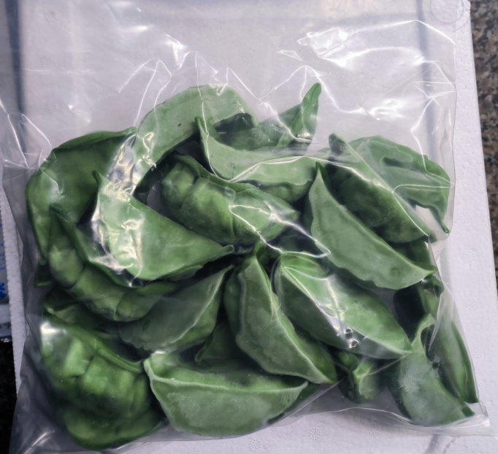 Appearance: No foreign body, Green color Taste: Natural sweetness of vegetable Texture: Soft structure, Juicy. |  | Appearance: Foreign body, broken Taste: Strange flavor Texture: Sticky

14-16.Quantity&packaging info
14.Quantity Attributes
 | Unit | Case (kg)
Unit Drained Weight (If Product contains liquid) | N/A | N/A
Net Weight | 1 | 10
Gross Weight | 1.002 | 11
Is the product packed in a Protective atmosphere? (if yes, indicate the composition on gases used if applicable) |  |  |  | No
Is the product vacuum packed? |  |  | Yes/No | No
Primary Package Plastic Material Comply with Commission Regulation (EU) No 10/2011 |  |  | Yes/No | Yes
15.Packaging Weight Dimensions & Container Maxi Load
 | Material (plastic, cardbaord, glass, etc) | If plastic, indicate the plastictypes from below 01-07 | Weight (g) | Dimensions (mm)
Primary | plastic bag | LDPE/PET | 20 | L | 260
Barcode: |  |  |  | W | 210
5060740662055 |  |  |  | H | 86
Secondary | brown | Corrugated paper carton | 980 | L | 390
Barcode: |  |  |  | W | 296
（01)35060740662056 |  |  |  | H | 290
Tertiary |  |  |  | L
Barcode: |  |  |  | W
 |  |  |  | H
20FCL Max Load without palletized | #VALUE!
40FCL Max Load without palletized | #VALUE!

16.Pallet Configuration
 | UK Pallet Configuration (1.0m x 1.2m) | EU Pallet Configuration (0.8m x 1.2m)
Cases per layer | 10 | 8
Number of layers | 6 | 6
Cases/pallet | 60 | 48
Pallet height (m) | 1.74 | 1.74
Pallet weight (kg) | 660.0 | 528.0
Pallet Top-View | 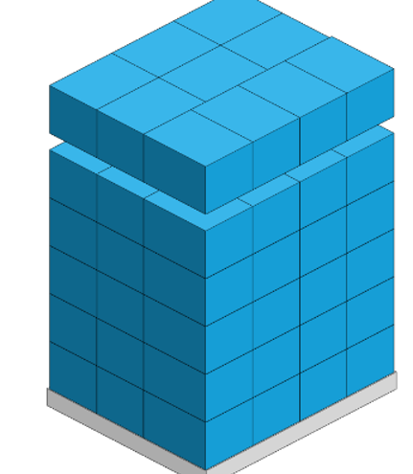
*pallet height must lower than 1.75m & gross weight under 1000kg

17-20.HACCP,Artwork&SpecAuthor.
17.Process Flow Chart- (showing all CCPs)
Please provide in the form a Critical Control Point (CCP), a description of the process/packing operations including processing times tempuratures where applicable and in process Safery Control Checks (CCP Summary) and Quality Checks.
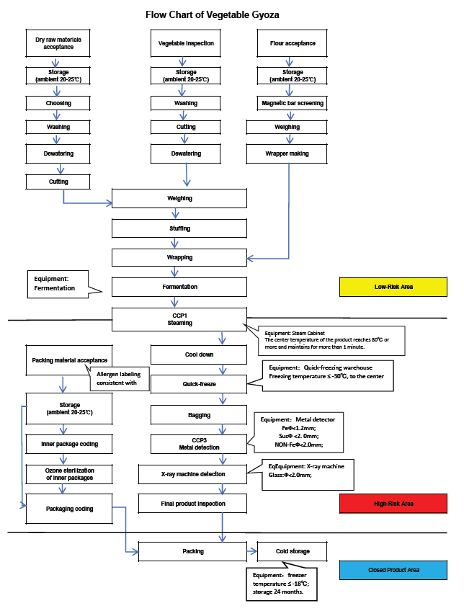
18.Critical Control Points
CCP | Control Measure |  | Critical Limit | Monitoring Frequency
CCP1 | Steaming |  | Core temperature 70℃ with 2 minutes | Every piece
CCP2 | Metal detector |  | Fe φ<1.2mm, Susφ<2.0mm, Non-Fe<2.0mm | Every bag
19.Artwork
Inner Label / Package Design artwork |  | Outer Label / Package Design artwork
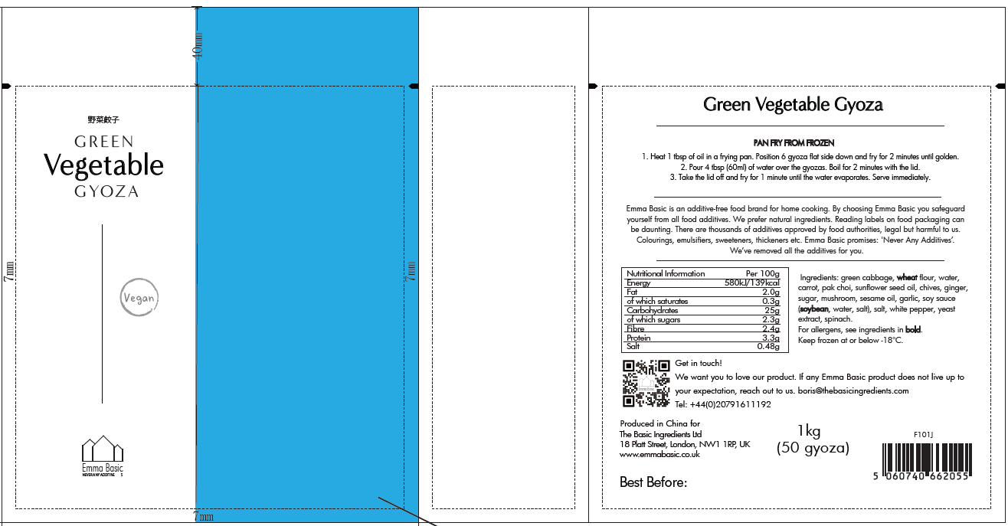 |  | 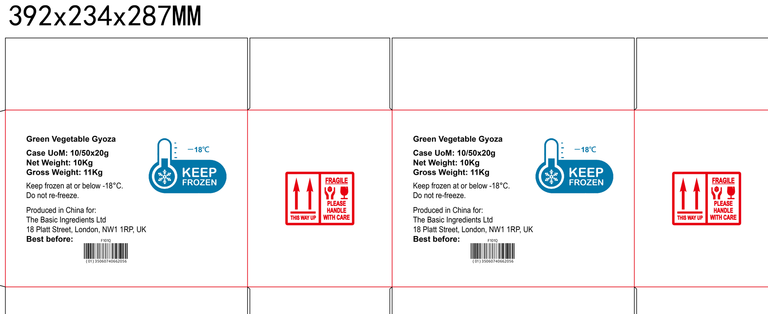

20.Packaging Photos
Finished Product with Primary package | Outer Case (Secondary) |  | Tertiary
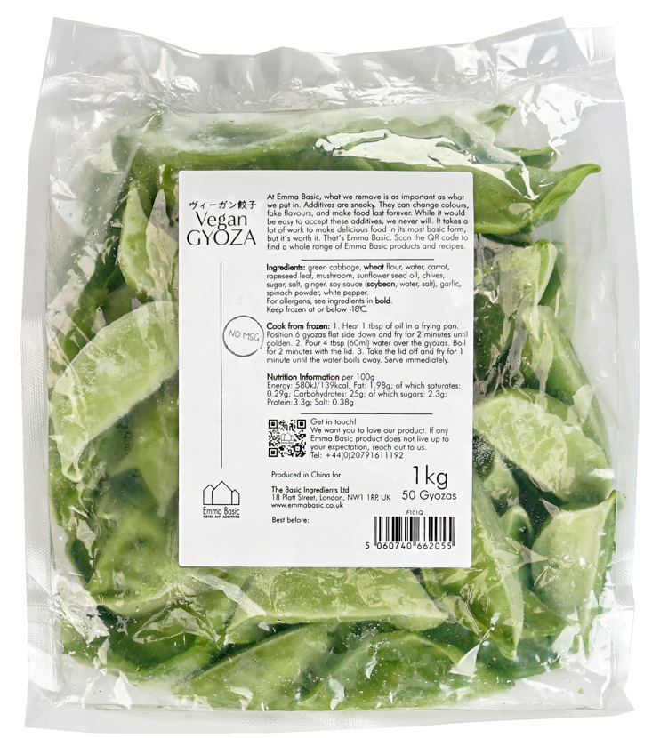 | 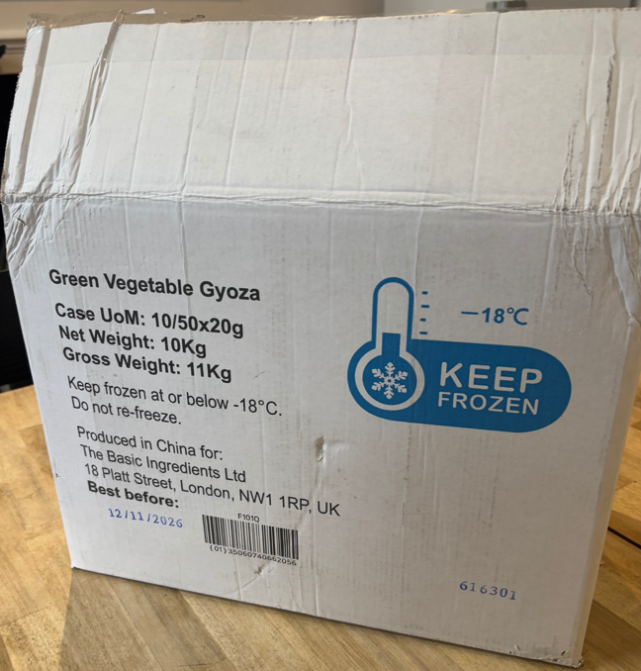
Specification Authorization
1.Product to be supplied in accordance with this agreed specification. No changes are to be made without prior knowledge and prior written agreement of The Basic Ingredients Ltd. 2.The contents of this specification are confidential and should not be disclosed to a third party without a written approval of The Basic Ingredients Ltd. 3. Product must be fit for purpose of the nature and substance stated in this specification and free from foreign body. 4. The raw materials used in this product fulfil the requirements described in the Regulation 1881/2006/EC related to contaminants in foodstuffs, the Regulation 396/2005/EC related to pesticides in foodstuffs, and their amendments. 5. The product has not been treated with ionising radiation and does not contain any irradiated ingredients- Regulated under Directive 1999/2/EC and Directive 1999/3/EC. 6. This product does not contain ingredients that contain GMO or consist of GMO or were produced from GMO - Regulated under Regulation (EC) No 1829/2003, Regulation (EC) No 1830/2003, and their amendments. 7. Products to be delivered using suitable transport in the stated conditions (i.e. ambient, chilled, frozen). 8. The information on this specification can be used without reservation to advise customers with food allergies, intolerances or aversions, especially those who may die from an anaphylactic reaction to traces of ingredients. 9. All materials intended to come into contact with foods complies with European regulations: Regulation (EC) No. 1935/2004, Regulation (EC) No. 2023/2006, Regulation (EU) No. 10/2011, Directives 82/711/EEC, 85/572/EEC, 2002/72/EEC (and the relevant amendments).
Manufacturer Name | Qingdao Jiaqinghe Food Co., Ltd
Signature | Gao Siliang
Print Name | Gao Siliang
Position in Company | General Manager
Date | 2024-10-11

For and on behalf of The Basic Ingredients Ltd:
Signature
Print Name | Nancy Deng
Position in Company | Technical Account Manager
Date | 2024-10-11

